Sheet2
Workbook

Worksheet

Cell name

Formula bar

Ribbion

Worksheet

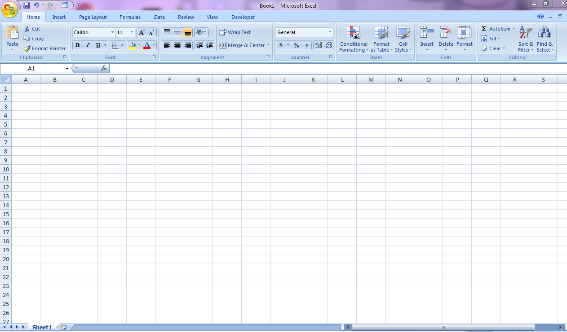

Cell name

Formula bar

Ribbon

Sheet9
 |  | CHARTS

 | ONLINE SALE | STORE SALE
TSHIRT | 40000 | 25000
JOGGERS | 300000 | 200000
JORDANS | 300000 | 150000

Sheet13


LINK TO MY PROJECT

